IRR
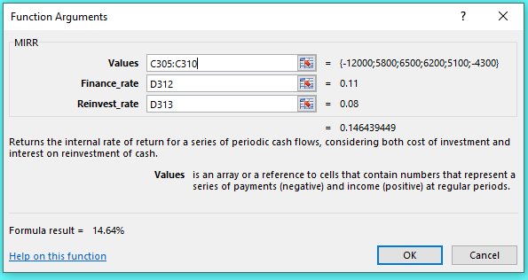
 | Assignment
 | Find the Internal Rate of Return

The internal rate of return is the rate of return for a series of cash flows that results in a zero NPV.
Use Excel's IRR function.

What is the IRR for the project with the following cash flows?

 | t | Cash flow
 | 0 | $(30,000)
 | 1 | 8,000
 | 2 | 10,000
 | 3 | 11,000
 | 4 | 17,000
 | 5 | 12,000

 | IRR | 24.01% | =IRR(C11:C16)

IRR and Cash Flows at Irregular Intervals

Suppose you have cash flows that occur at irregular intervals. The standard IRR function assumes that cash flows occur at regular intervals. In the case of irregular intervals, we need to use the XIRR function. Suppose you have the following set of cash flows. What is the IRR?

 | t | Cash flow
 | 2020-02-23 | $(50,000)
 | 2020-08-24 | 14,000
 | 2021-03-05 | 8,000
 | 2021-11-02 | 23,000
 | 2022-06-05 | 18,000
 | 2022-12-18 | 19,000

 | IRR | 33.30% | =XIRR(C26:C31,B26:B31)

NPV Profile
0 | 28000
0.05 | 19579.812057
0.1 | 12863.93751
0.15 | 7436.5629675
0.2 | 2997.6851852
0.25 | -672.64
0.3 | -3738.0451557
0.35 | -6321.9205477
0.4 | -8518.4744452

NPV Profile
 | NPV
0 | -8000
0.05 | -4867.1849692
0.1 | -2197.5957926
0.15 | 96.572696638
0.2 | 2083.3333333
0.25 | 3816
0.3 | 5336.8229404

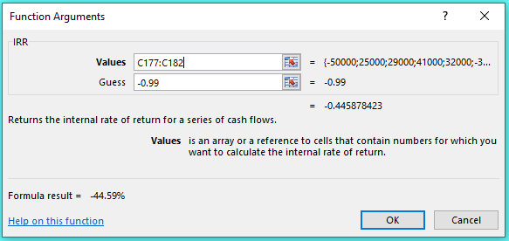

NPV Profile with Multiple IRRs
-0.5 | -164000
-0.45 | -7975.423934
-0.4 | 58847.736626
-0.35 | 84011.952824
-0.3 | 89462.723865
-0.25 | 85720.164609
-0.2 | 77954.101563
-0.15 | 68732.590676
-0.1 | 59321.919084
-0.05 | 50324.300442
-9.9920072216E-16 | 42000
0.05 | 34433.783592
0.1 | 27622.305978
0.15 | 21520.38044
0.2 | 16065.457819
0.25 | 11190.4
0.3 | 6829.9159963
0.35 | 2923.5641432
0.4 | -583.09037901
0.45 | -3738.2864314
0.5 | -6584.3621399
0.55 | -9158.2684376
0.6 | -11492.156982

Net Present Value for Mutually Exclusive Investments
 | Investment A | Investment B
0 | 42000 | 44000
0.05 | 24217.373664 | 25071.086636
0.1 | 9799.0698599 | 9683.702678
0.15 | -2044.701471 | -2988.30718
0.2 | -11889.146091 | -13547.453704

Crossover point

NPV Profile
Assignment
Determine the NPV Profile

The NPV profile is a graphical representation of the NPV of a project for different interest rates. We will graph the NPV profile of the following project:

 | t | Cash flow
 | 0 | $(30,000)
 | 1 | 8,000
 | 2 | 10,000
 | 3 | 11,000
 | 4 | 17,000
 | 5 | 12,000

To construct the NPV profile, we will first need a table with the project's NPV at different interest rates:

 | Return | NPV
 | 0% | $28,000.00
 | 5% | $19,579.81
 | 10% | $12,863.94
 | 15% | $7,436.56
 | 20% | $2,997.69
 | 25% | $(672.64)
 | 30% | $(3,738.05)
 | 35% | $(6,321.92)
 | 40% | $(8,518.47)

NPV Profile

All projects with conventional cash flows will have a downward sloping NPV profile similar to this one because at higher interest rates, the future cash flows are worth less today.

